Lin Reg
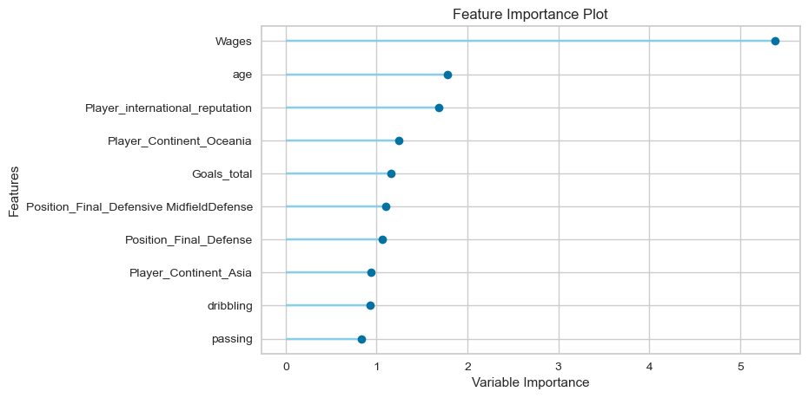
 |  |  |  |  | Fold No. | MAE | MSE | RMSE | R2 | RMSLE | MAPE
1. Normalized Data without Outliers Treated |  |  |  |  | 1 | 2.73 | 23.52 | 4.85 | 0.78 | 0.53 | 1.47
 | R^2 | RMSE | MAPE |  | 2 | 2.24 | 9.54 | 3.09 | 0.79 | 0.46 | 1.12
Model 1.A | 0.81 | 4.01 | 1.24 |  | 3 | 2.47 | 14.19 | 3.77 | 0.85 | 0.49 | 1.10
2. Normalized Data with Outliers Treated except for certain variables |  |  |  |  | 4 | 2.55 | 16.29 | 4.04 | 0.81 | 0.46 | 1.10
 | R^2 | RMSE | MAPE |  | 5 | 2.53 | 14.74 | 3.84 | 0.78 | 0.48 | 1.19
Model 1.B | 0.81 | 3.99 | 1.23 |  | 6 | 2.67 | 17.53 | 4.19 | 0.80 | 0.48 | 1.26
3. Normalized Data with Outliers Treated for all variables |  |  |  |  | 7 | 2.35 | 11.33 | 3.37 | 0.72 | 0.49 | 1.35
 | R^2 | RMSE | MAPE | Best model - 2 | 8 | 2.76 | 24.06 | 4.91 | 0.79 | 0.47 | 1.20
Model 1.C | 0.69 | 5.10 | 1.72 |  | 9 | 2.49 | 15.01 | 3.87 | 0.83 | 0.47 | 1.27
 |  |  |  |  | 10 | 2.42 | 12.28 | 3.50 | 0.86 | 0.49 | 1.40
 |  |  |  |  | Mean | 2.52 | 15.85 | 3.94 | 0.80 | 0.48 | 1.25
 |  |  |  |  | SD | 0.16 | 4.55 | 0.56 | 0.04 | 0.02 | 0.13

Lasso
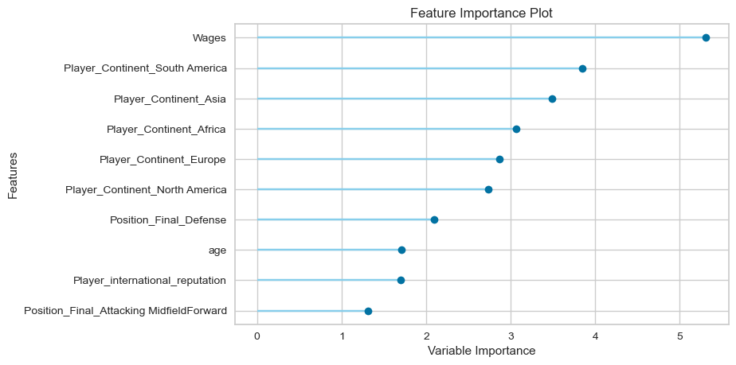
1. Normalized Data without Outliers Treated
 | R^2 | RMSE | MAPE
Model 2.A | 0.81 | 4.01 | 1.27
2. Normalized Data with Outliers Treated except for certain variables
 | R^2 | RMSE | MAPE
Model 2.B | 0.81 | 3.99 | 1.27
3. Normalized Data with Outliers Treated for all variables
 | R^2 | RMSE | MAPE
Model 2.C | 0.69 | 5.10 | 1.76

 |  |  |  | Fold No. | MAE | MSE | RMSE | R2 | RMSLE | MAPE
 |  |  |  | 1 | 2.73 | 23.29 | 4.83 | 0.78 | 0.53 | 1.54
 |  |  |  | 2 | 2.23 | 9.50 | 3.08 | 0.79 | 0.47 | 1.11
 |  |  |  | 3 | 2.47 | 14.17 | 3.76 | 0.85 | 0.50 | 1.12
 |  |  |  | 4 | 2.58 | 16.72 | 4.09 | 0.80 | 0.47 | 1.13
 |  |  |  | 5 | 2.55 | 15.04 | 3.88 | 0.78 | 0.49 | 1.22
 |  |  |  | 6 | 2.67 | 17.72 | 4.21 | 0.80 | 0.48 | 1.30
 |  |  |  | 7 | 2.33 | 11.20 | 3.35 | 0.72 | 0.48 | 1.36
 |  |  |  | 8 | 2.76 | 24.15 | 4.91 | 0.79 | 0.48 | 1.22
 |  |  |  | 9 | 2.50 | 15.10 | 3.89 | 0.83 | 0.47 | 1.34
 |  |  |  | 10 | 2.44 | 12.43 | 3.53 | 0.85 | 0.50 | 1.52
 |  |  |  | Mean | 2.53 | 15.93 | 3.95 | 0.80 | 0.49 | 1.28
 |  |  |  | SD | 0.16 | 4.54 | 0.56 | 0.04 | 0.02 | 0.15

 | Best model - 2

SVM - Linear Kernel
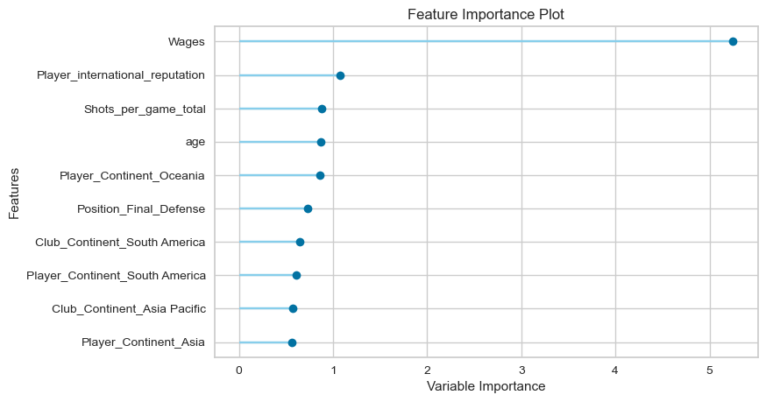
1. Normalized Data without Outliers Treated
 | R^2 | RMSE | MAPE
Model 3.A | 0.79 | 4.22 | 0.79
2. Normalized Data with Outliers Treated except for certain variables
 | R^2 | RMSE | MAPE
Model 3.B | 0.79 | 4.25 | 0.77
3. Normalized Data with Outliers Treated for all variables
 | R^2 | RMSE | MAPE
Model 3.C | 0.61 | 5.74 | 0.87

 |  |  |  | Fold No. | MAE | MSE | RMSE | R2 | RMSLE | MAPE
 |  |  |  | 1 | 2.42 | 25.06 | 5.01 | 0.76 | 0.42 | 0.91
 |  |  |  | 2 | 1.89 | 7.69 | 2.77 | 0.83 | 0.39 | 0.74
 |  |  |  | 3 | 2.29 | 15.71 | 3.96 | 0.84 | 0.40 | 0.69
 |  |  |  | 4 | 2.37 | 18.39 | 4.29 | 0.78 | 0.39 | 0.72
 |  |  |  | 5 | 2.26 | 16.74 | 4.09 | 0.75 | 0.40 | 0.70
 |  |  |  | 6 | 2.54 | 21.47 | 4.63 | 0.75 | 0.41 | 0.78
 |  | Best model - 1 |  | 7 | 2.09 | 10.50 | 3.24 | 0.74 | 0.41 | 0.83
 |  |  |  | 8 | 2.55 | 27.29 | 5.22 | 0.76 | 0.40 | 0.69
 |  |  |  | 9 | 2.42 | 18.51 | 4.30 | 0.79 | 0.41 | 0.78
 |  |  |  | 10 | 2.23 | 14.09 | 3.75 | 0.84 | 0.43 | 0.93
 |  |  |  | Mean | 2.31 | 17.55 | 4.13 | 0.78 | 0.40 | 0.78
 |  |  |  | SD | 0.19 | 5.76 | 0.71 | 0.04 | 0.01 | 0.08

CART
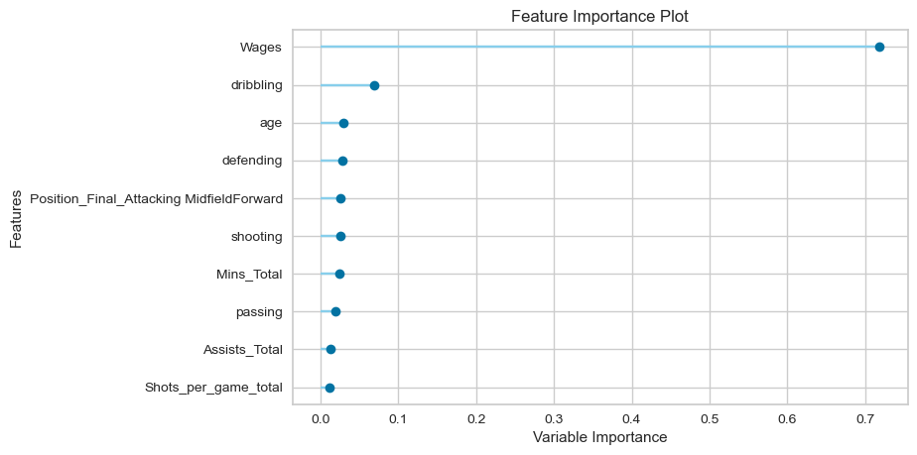
 | Best model - 1

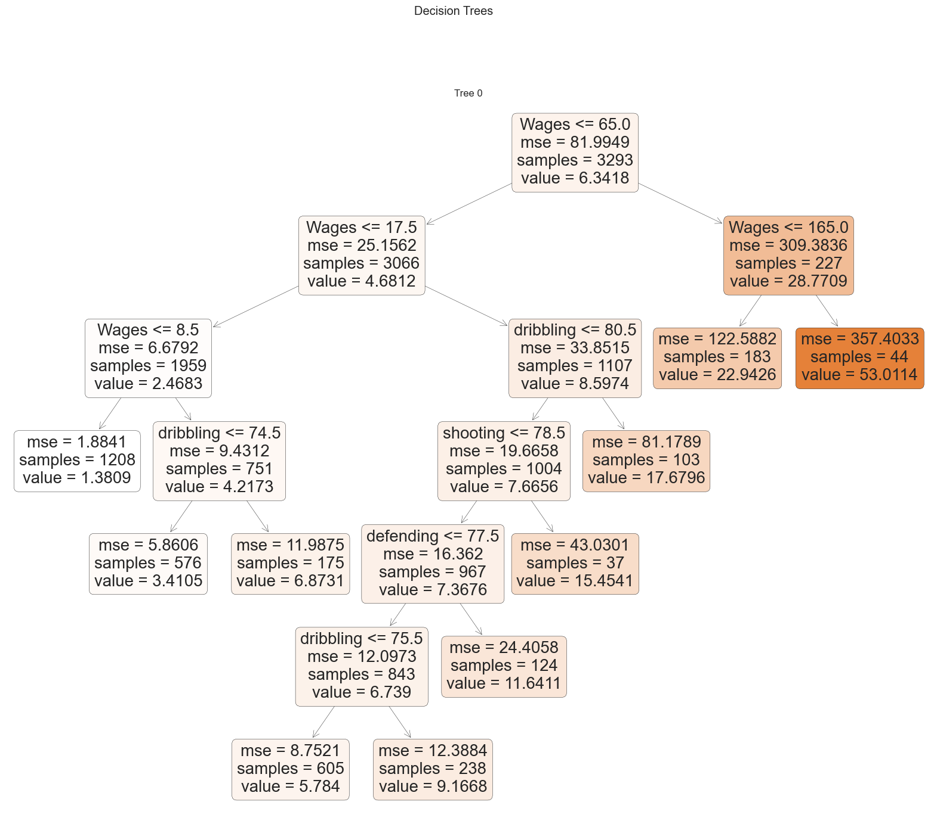
1. Original Data without Outliers Treated
 | R^2 | RMSE | MAPE
Model 4.A | 0.79 | 4.22
2. Original Data with Outliers Treated except for certain variables
 | R^2 | RMSE | MAPE
Model 4.B | 0.79 | 4.22 | 0.44
3. Original Data with Outliers Treated for all variables
 | R^2 | RMSE | MAPE
Model 4.C | 0.76 | 4.47 | 0.50

 |  |  |  | Fold No. | MAE | MSE | RMSE | R2 | RMSLE | MAPE
 |  |  |  | 1 | 2.05 | 18.38 | 4.29 | 0.83 | 0.35 | 0.46
 |  |  |  | 2 | 1.97 | 12.85 | 3.59 | 0.72 | 0.34 | 0.41
 |  |  |  | 3 | 2.00 | 20.88 | 4.57 | 0.78 | 0.33 | 0.41
 |  |  |  | 4 | 2.08 | 19.06 | 4.37 | 0.77 | 0.32 | 0.39
 |  |  |  | 5 | 1.84 | 11.84 | 3.44 | 0.82 | 0.34 | 0.39
 |  |  |  | 6 | 2.45 | 25.50 | 5.05 | 0.71 | 0.37 | 0.47
 |  |  |  | 7 | 1.73 | 10.00 | 3.16 | 0.75 | 0.33 | 0.46
 |  |  |  | 8 | 2.39 | 22.76 | 4.77 | 0.80 | 0.34 | 0.40
 |  |  |  | 9 | 2.16 | 16.59 | 4.07 | 0.82 | 0.35 | 0.47
 |  |  |  | 10 | 1.78 | 7.56 | 2.75 | 0.91 | 0.35 | 0.46
 |  |  |  | Mean | 2.04 | 16.54 | 4.01 | 0.79 | 0.34 | 0.43
 |  |  |  | SD | 0.23 | 5.54 | 0.71 | 0.06 | 0.01 | 0.03

RF
 | Best model - 1

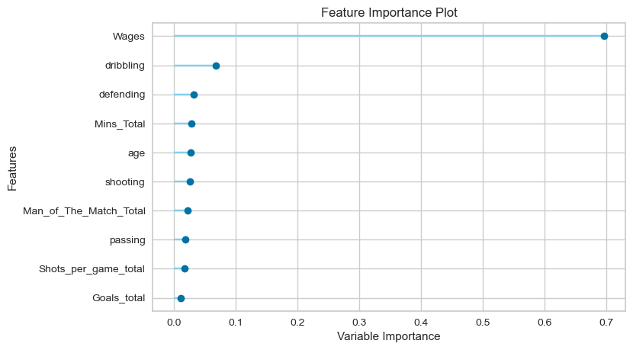
1. Original Data without Outliers Treated
 | R^2 | RMSE | MAPE
Model 5.A | 0.89 | 3.10 | 0.34
2. Original Data with Outliers Treated except for certain variables
 | R^2 | RMSE | MAPE
Model 5.B | 0.89 | 3.11 | 0.34
3. Original Data with Outliers Treated for all variables
 | R^2 | RMSE | MAPE
Model 5.C | 0.88 | 3.17 | 0.34

 |  |  |  | Fold No. | MAE | MSE | RMSE | R2 | RMSLE | MAPE
 |  |  |  | 1 | 1.62 | 14.44 | 3.80 | 0.86 | 0.27 | 0.36
 |  |  |  | 2 | 1.38 | 6.21 | 2.49 | 0.86 | 0.25 | 0.32
 |  |  |  | 3 | 1.50 | 11.92 | 3.45 | 0.88 | 0.25 | 0.32
 |  |  |  | 4 | 1.58 | 8.53 | 2.92 | 0.90 | 0.25 | 0.35
 |  |  |  | 5 | 1.35 | 7.67 | 2.77 | 0.89 | 0.22 | 0.27
 |  |  |  | 6 | 1.74 | 11.94 | 3.46 | 0.86 | 0.27 | 0.38
 |  |  |  | 7 | 1.28 | 6.68 | 2.58 | 0.83 | 0.25 | 0.35
 |  |  |  | 8 | 1.84 | 14.82 | 3.85 | 0.87 | 0.24 | 0.31
 |  |  |  | 9 | 1.53 | 8.49 | 2.91 | 0.91 | 0.26 | 0.38
 |  |  |  | 10 | 1.42 | 6.60 | 2.57 | 0.92 | 0.26 | 0.35
 |  |  |  | Mean | 1.52 | 9.73 | 3.08 | 0.88 | 0.25 | 0.34
 |  |  |  | SD | 0.17 | 3.11 | 0.49 | 0.02 | 0.01 | 0.03

GBM
 |  | Best model - 1
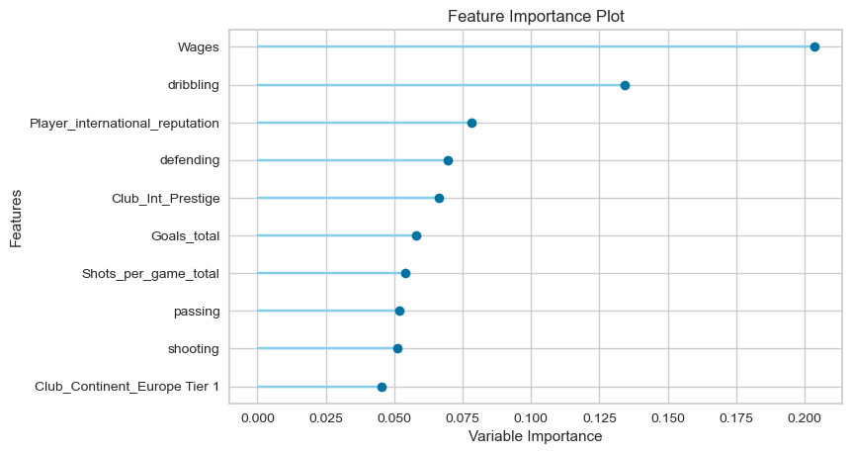
1. Original Data without Outliers Treated
 | R^2 | RMSE | MAPE
Model 6.A | 0.93 | 2.44 | 0.37
2. Original Data with Outliers Treated except for certain variables
 | R^2 | RMSE | MAPE
Model 6.B | 0.92 | 2.58 | 0.35
3. Original Data with Outliers Treated for all variables
 | R^2 | RMSE | MAPE
Model 6.C | 0.92 | 2.66 | 0.34

 |  |  |  | Fold No. | MAE | MSE | RMSE | R2 | RMSLE | MAPE
 |  |  |  | 1 | 1.42 | 9.52 | 3.09 | 0.91 | 0.26 | 0.38
 |  |  |  | 2 | 1.31 | 5.05 | 2.25 | 0.89 | 0.26 | 0.37
 |  |  |  | 3 | 1.41 | 8.41 | 2.90 | 0.91 | 0.26 | 0.36
 |  |  |  | 4 | 1.44 | 6.67 | 2.58 | 0.92 | 0.25 | 0.37
 |  |  |  | 5 | 1.21 | 4.83 | 2.20 | 0.93 | 0.22 | 0.30
 |  |  |  | 6 | 1.42 | 7.13 | 2.67 | 0.92 | 0.24 | 0.34
 |  |  |  | 7 | 1.27 | 5.40 | 2.32 | 0.86 | 0.25 | 0.38
 |  |  |  | 8 | 1.66 | 9.12 | 3.62 | 0.89 | 0.25 | 0.34
 |  |  |  | 9 | 1.38 | 7.54 | 2.75 | 0.92 | 0.24 | 0.36
 |  |  |  | 10 | 1.27 | 4.81 | 2.19 | 0.94 | 0.27 | 0.43
 |  |  |  | Mean | 1.38 | 7.25 | 2.66 | 0.91 | 0.25 | 0.36
 |  |  |  | SD | 0.12 | 2.48 | 0.44 | 0.02 | 0.01 | 0.03

XGB
 |  | Best model - 1

1. Original Data without Outliers Treated
 | R^2 | RMSE | MAPE
Model 7.A | 0.93 | 2.48 | 0.33
2. Original Data with Outliers Treated except for certain variables
 | R^2 | RMSE | MAPE
Model 7.B | 0.92 | 2.68 | 0.31
3. Original Data with Outliers Treated for all variables
 | R^2 | RMSE | MAPE
Model 7.C | 0.91 | 2.74 | 0.27

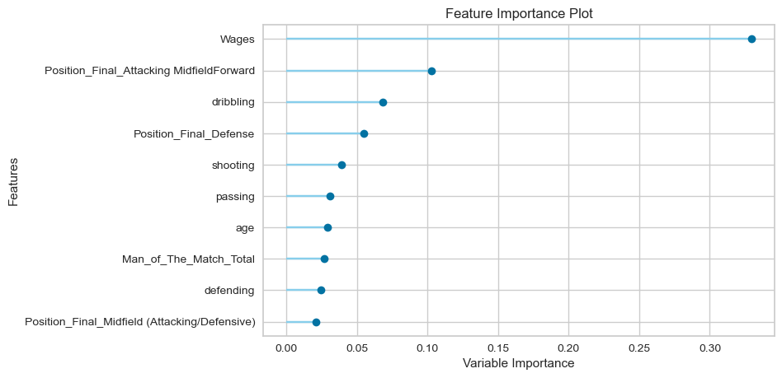
 |  |  |  | Fold No. | MAE | MSE | RMSE | R2 | RMSLE | MAPE
 |  |  |  | 1 | 1.36 | 7.12 | 2.67 | 0.93 | 0.24 | 0.36
 |  |  |  | 2 | 1.27 | 4.60 | 2.14 | 0.90 | 0.25 | 0.32
 |  |  |  | 3 | 1.50 | 10.02 | 3.17 | 0.90 | 0.25 | 0.33
 |  |  |  | 4 | 1.33 | 5.15 | 2.27 | 0.94 | 0.23 | 0.33
 |  |  |  | 5 | 1.33 | 6.63 | 2.58 | 0.90 | 0.22 | 0.28
 |  |  |  | 6 | 1.54 | 7.27 | 2.70 | 0.92 | 0.24 | 0.34
 |  |  |  | 7 | 1.19 | 5.18 | 2.28 | 0.87 | 0.24 | 0.32
 |  |  |  | 8 | 1.54 | 10.26 | 3.20 | 0.91 | 0.24 | 0.32
 |  |  |  | 9 | 1.58 | 9.23 | 3.04 | 0.90 | 0.25 | 0.38
 |  |  |  | 10 | 1.28 | 4.93 | 2.22 | 0.94 | 0.24 | 0.34
 |  |  |  | Mean | 1.39 | 7.04 | 2.63 | 0.91 | 0.24 | 0.33
 |  |  |  | SD | 0.13 | 2.04 | 0.38 | 0.02 | 0.01 | 0.03

 |  |  |  |  |  |  |  | 923.15
 |  |  |  |  |  |  |  | 0.95

